Questions
Use the data in the Transactions worksheet to answer the questions below |  |  | Question 2:
The data represents the sales transactions for trainings conducted in the fiscal years 2016 |  |  | In the Report worksheet. create a summary showing the total revenue generated per program
and 2017 for Ruku Analytics Ltd. |  |  | for each of the two years and present the same in a chart similar to the one shown below
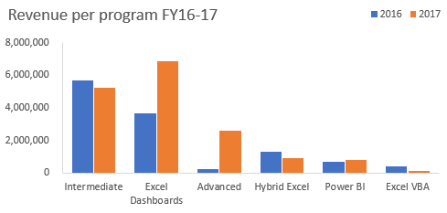
Question 1:
Use a function/formula to populate the following columns:
 | a) | Unit Price -this is based on the price matrix per program given on the Transactions worksheet
 | b) | Sales Amount
 | c) | Year & Month columns based on the transaction date
 | d) | Customer Loading column. This should combine the client code and the client name as shown
 |  | in the image below
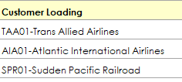

 |  |  | Question 3:
 |  |  | From the chart created in question 2, the share of Power BI is marginal.
 |  |  | The products manager of DC Analytics Ltd feels if efforts are enhanced this program has the
 |  |  | potential to be a main revenue earner.
 |  |  | Please advise the manager on some of the strategies he can implement to achieve this goal. Type your thoughts below
 |  |  | Reduce the unit price of the Power BI training program to be lower or match Intermediate program. This will bring new participants to the program, and thereby increasing its revenue. Advertise the program to clients with the large sum of participants so as to increase the program's total users.

Report
Revenue per Program FY 16 - 17

Total Revenue per Year | Year
Training Programs | 2016 | 2017 | Grand Total
Intermediate | 5,668,540 | 5,218,060 | 10,886,600
Excel Dashboards | 3,657,445 | 6,849,397 | 10,506,842
Advanced | 264,600 | 2,623,950 | 2,888,550
Hybrid Excel | 1,315,560 | 900,120 | 2,215,680
Power BI | 677,990 | 813,588 | 1,491,578
Excel VBA | 435,200 | 163,200 | 598,400
Grand Total | 12,019,335 | 16,568,315 | 28,587,650

